HomePage

URD |  |  |  | SI |  |  | Process
 |  |  |  |  |  |  | Screen Design
Screen ID |  |  |  | HomePage | Function name | Layout_HomePage | Create Date | 20-Nov-20 | Creator | Tài
 |  |  |  |  |  |  | Update Date | 20-Nov-20 | Updater | Tài
1.Overview
All of main layout of Jitsi

2.Screen Design

 | 2.1.Screen images

 |  | Sign up and Sign in screen by desktop version

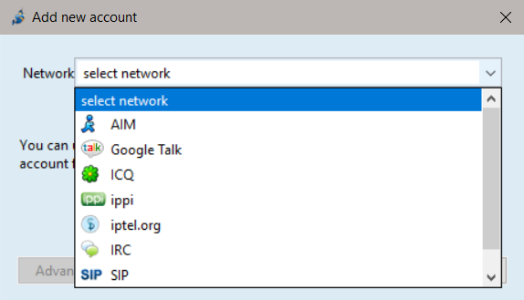


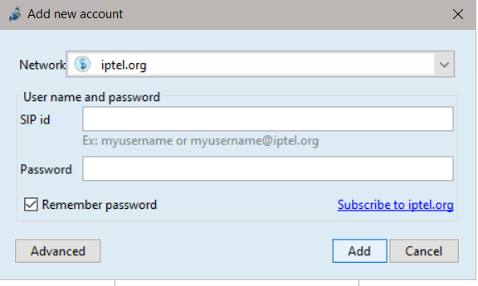

 |  | Web version(don't need to log in )
 |  |  | Home Screen


 |  |  | Meeting Screen
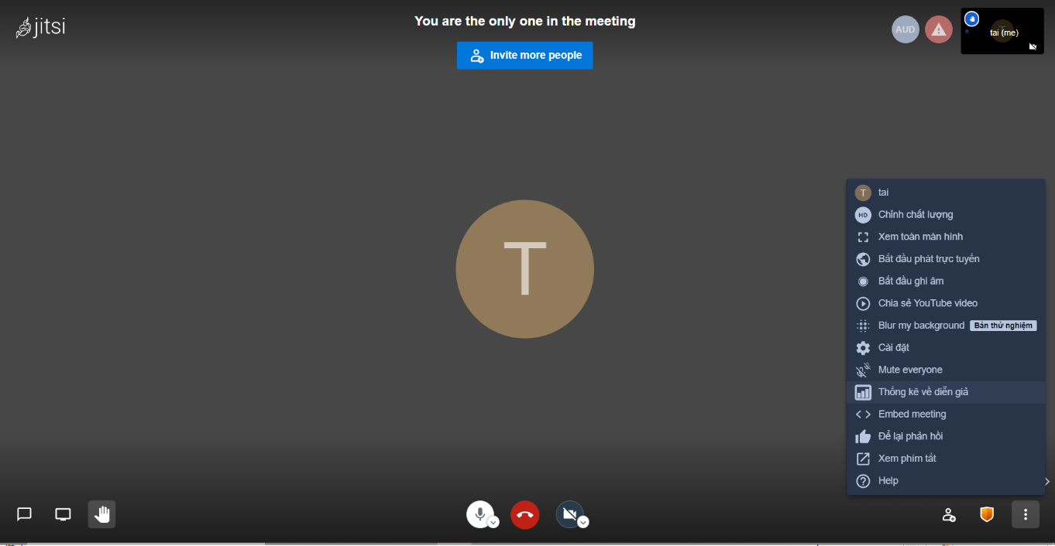

 |  |  | Invite Screen

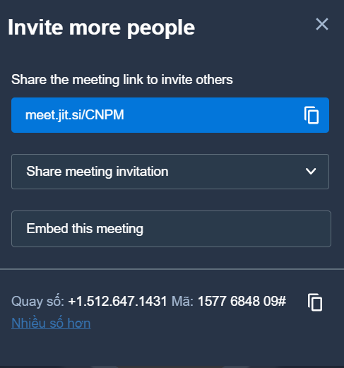

 |  |  | Chat Screen

Meeting Screen
D002 |  |  | SI |  |  |  |  |  |  |  |  |  | Process
 |  |  |  |  |  |  |  |  |  |  |  |  | Screen Design
Screen ID |  |  |  | Meeting Screen | Function name |  | Layout_Meeting Screen |  |  |  |  |  | Create Date |  | 20/11/2020 | Creator | Tài
 |  |  |  |  |  |  |  |  |  |  |  |  | Update Date |  | 20/11/2019 | Updater | Tài
1. Overview

 |  | Layout of meeting Srceen

2. Screen Design

 | 2.1. Screen Image

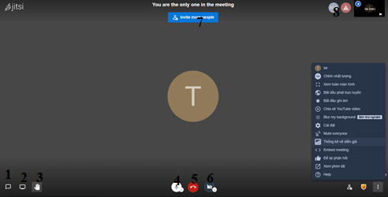
 |  | Meeting Screen

3. Processing

 | 1) | Init
 |  |  | # | Item name |  | Control | Data type | I/O |  | Mandatory | Default Value | Range Value | Max length | Item size | Description
 |  |  | 1 | Chat |  | TextBox |  |  | I |  |  |  |  | btn.fa-2x | Place to discussion
 |  |  | 2 | Sharing your screen |  | Button |  |  | O |  |  |  |  | btn.fa-2x | Can share you desktop screen
 |  |  | 3 | high five |  | Button |  |  |  |  |  |  |  | btn.fa-2x | show your hand
 |  |  | 4 | Microphone |  | Button |  |  |  |  |  |  |  | btn.fa-2x | Turn on or turn off your mic
 |  |  | 5 | Stop meeting |  | Button |  |  |  |  |  |  |  | btn.fa-2x | Use to stop your meeting
 |  |  | 6 | Camera |  | Button |  |  |  |  |  |  |  | btn.fa-2x | Turn on or turn off your cam
 |  |  | 7 | Invite |  | Button |  |  | O |  |  |  |  | btn.fa-2x | Can invitve somebody to meeting
 |  |  | 8 | Quality of your cam |  | Button |  |  |  |  |  |  |  | btn.fa-2x | Place just show your quality of your cam
 |  |  | 9 | Bắt đầu ghi âm |  | Button |  |  | I |  |  |  |  | btn.fa-2x | Record anything from beginning to end

HomeScreen (2)
D002 |  |  | SI |  |  |  |  |  |  |  |  |  | Process
 |  |  |  |  |  |  |  |  |  |  |  |  | Screen Design
Screen ID |  |  |  | Chat Screen | Function name |  | Layout_Chat Screen |  |  |  |  |  | Create Date |  | 20/11/2020 | Creator | Tài
 |  |  |  |  |  |  |  |  |  |  |  |  | Update Date |  | 20/11/2019 | Updater | Tài
1. Overview

 |  | Layout of Chat Srceen
 |  | Using to Discussion

2. Screen Design

 | 2.1. Screen Image

 |  | Chat Screen
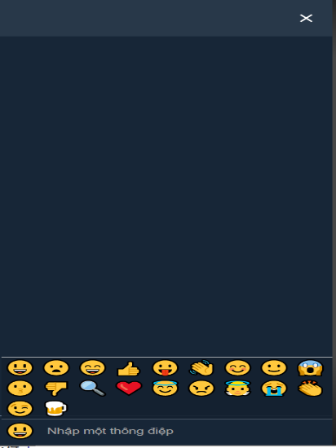

3. Processing

 | 1) | Init
 |  |  | # | Item name |  | Control | Data type | I/O |  | Mandatory | Default Value | Range Value | Max length | Item size | Description
 |  |  | 1 | BlankText |  | TextBox |  |  | I |  |  |  |  | btn.fa-2x | Place to write something to discussion
 |  |  | 2 | Sticker |  | Button |  |  |  |  |  |  |  | btn.fa-2x | Here have a lot of emotion to your discuss

